Designs
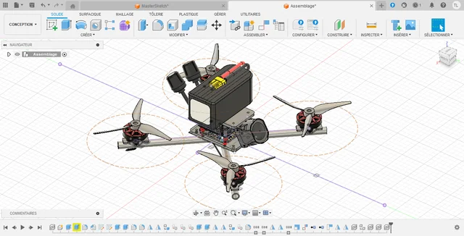
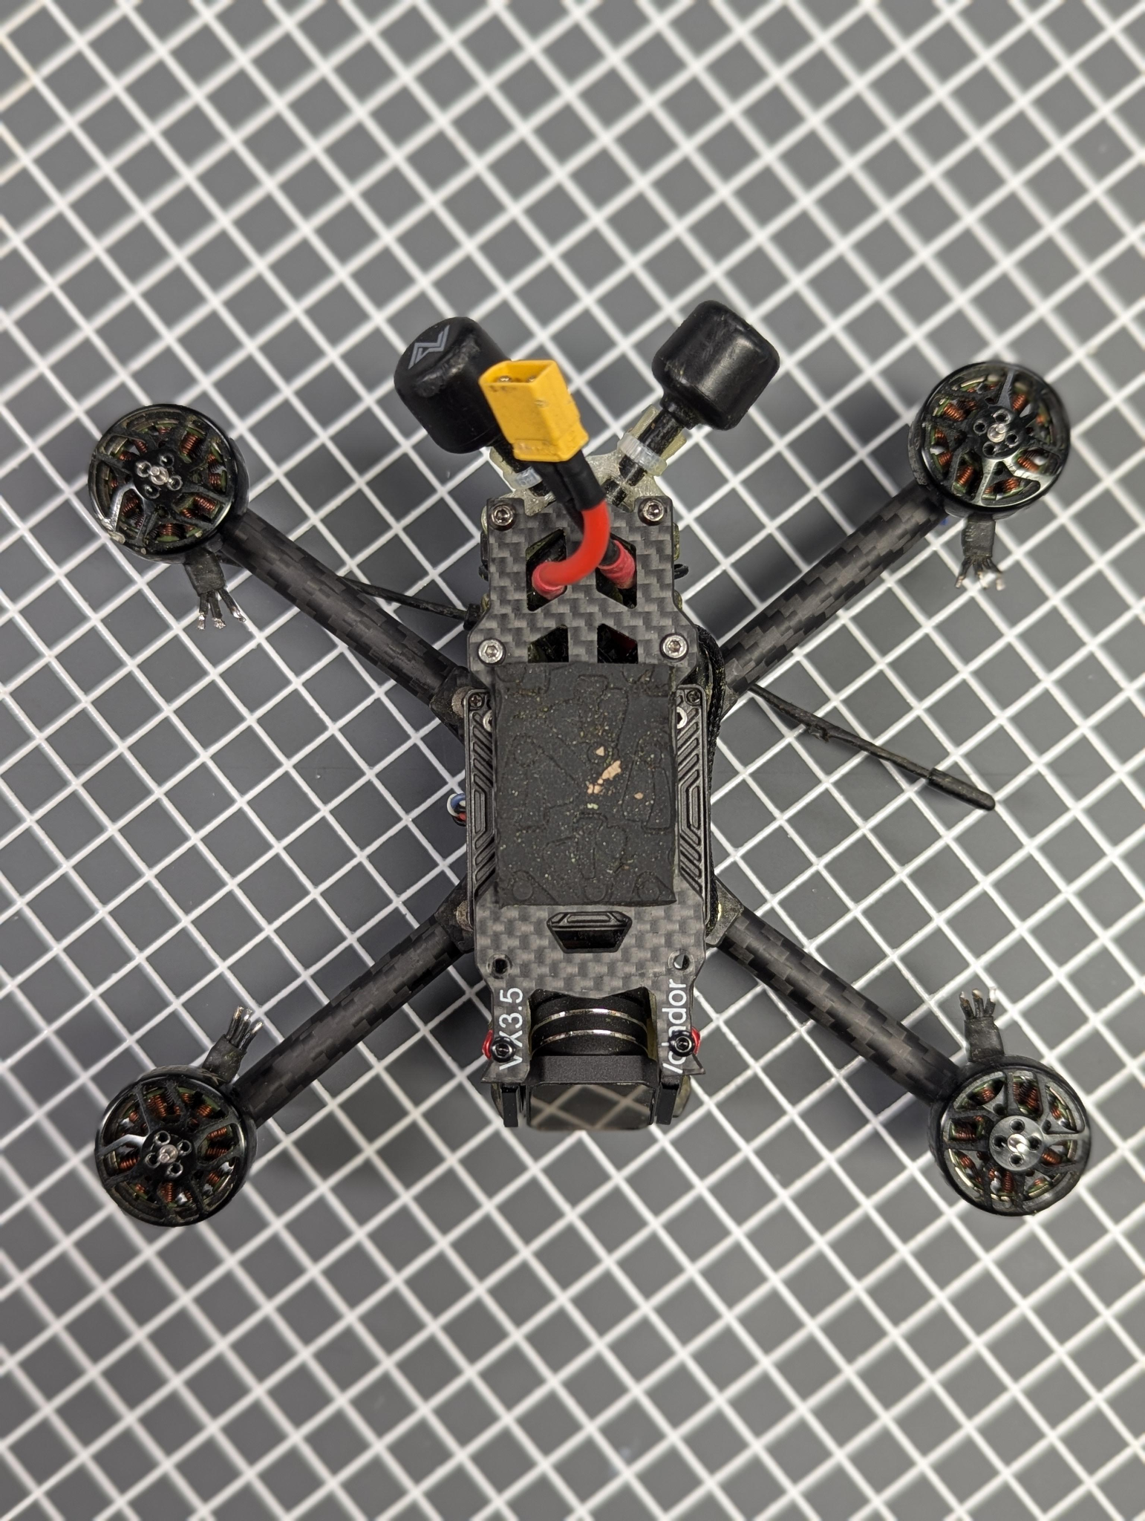
Combination # | Design | Material
1 | hollow circular tube | Carbon Fiber Composite (CFRP)
2 | hollow circular tube | Aluminum Alloy
3 | hollow circular tube | Fiberglass Composite (GFRP)
4 | hollow circular tube | PLA Plastic
5 | hollow circular tube | ABS Plastic
6 | hollow circular tube | Wood (Birch)

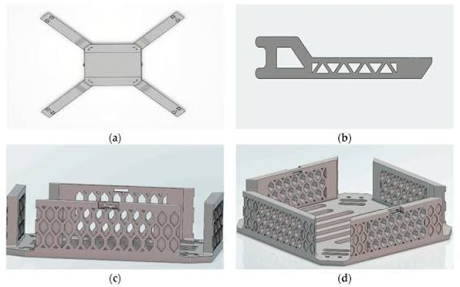
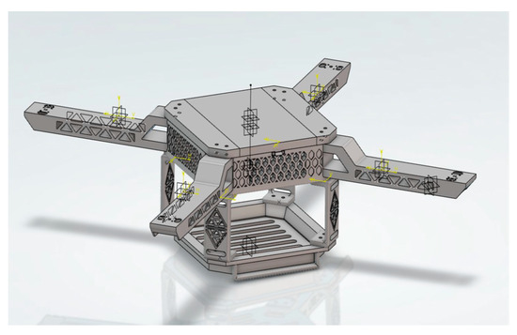
7 | Hollow Rectangular Beam | Carbon Fiber Composite (CFRP)
8 | Hollow Rectangular Beam | Aluminum Alloy
9 | Hollow Rectangular Beam | Fiberglass Composite (GFRP)
10 | Hollow Rectangular Beam | PLA Plastic
11 | Hollow Rectangular Beam | ABS Plastic
12 | Hollow Rectangular Beam | Wood (Birch)
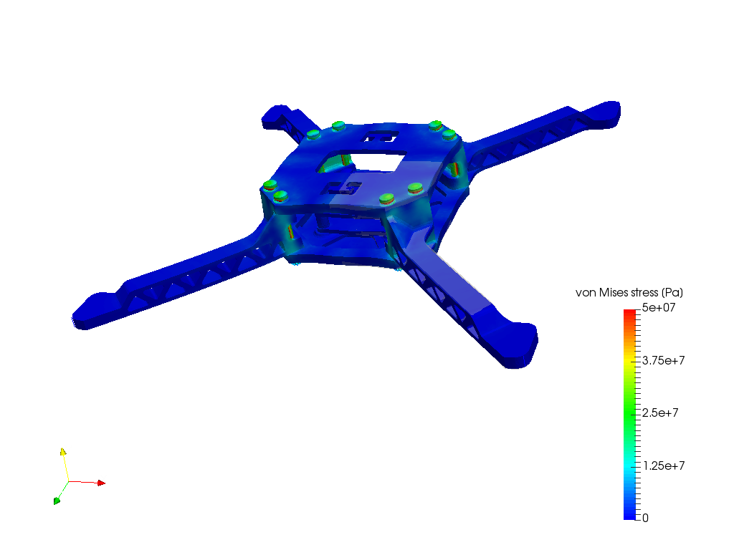
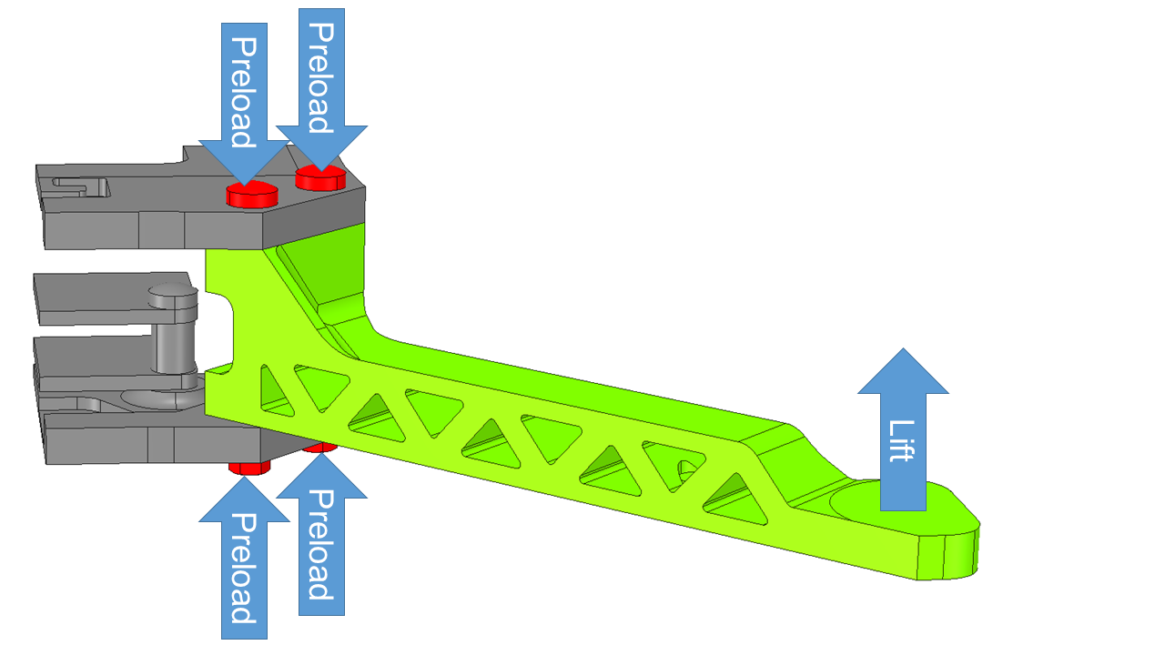
13 | Triangle Truss Arm | Carbon Fiber Composite (CFRP)
14 | Triangle Truss Arm | Aluminum Alloy
15 | Triangle Truss Arm | Fiberglass Composite (GFRP)
16 | Triangle Truss Arm | PLA Plastic
17 | Triangle Truss Arm | ABS Plastic
18 | Triangle Truss Arm | Wood (Birch)
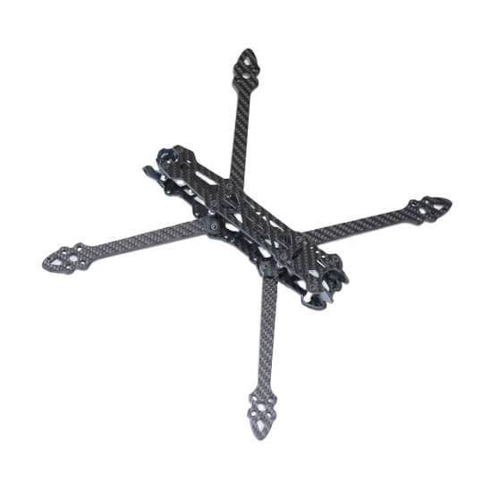
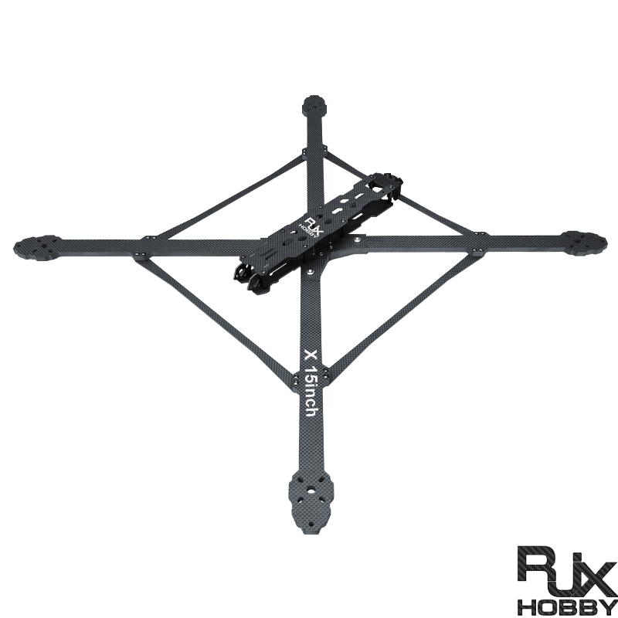
19 | I-Beam | Carbon Fiber Composite (CFRP)
20 | I-Beam | Aluminum Alloy
21 | I-Beam | Fiberglass Composite (GFRP)
22 | I-Beam | PLA Plastic
23 | I-Beam | ABS Plastic
24 | I-Beam | Wood (Birch)

25 | tapered hollow square tube | Carbon Fiber Composite (CFRP)
26 | tapered hollow square tube | Aluminum Alloy
27 | tapered hollow square tube | Fiberglass Composite (GFRP)
28 | tapered hollow square tube | PLA Plastic
29 | tapered hollow square tube | ABS Plastic
30 | tapered hollow square tube | Wood (Birch)

https://oscarliang.com/fpv-drone-frames/

